Sheet1
2008 Toyota Rav4 Sport 2.4
DRIVE AXLES, BEARINGS AND JOINTS COMPONENTS/DRIVE AXLE SHAFT ASSEMBLY
Your Vehicle: 2008 Toyota Truck RAV4 2WD L4-2.4L (2AZ-FE)

 | Vehicle » Transmission and Drivetrain » Drive Axles, Bearings and Joints » Axle Shaft Assembly » Service and Repair » Installation

 | Installation

DRIVE SHAFT: FRONT DRIVE SHAFT ASSEMBLY (for 2WD): INSTALLATION

INSTALLATION

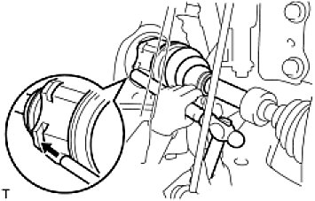

1. INSTALL FRONT DRIVE SHAFT ASSEMBLY LH

(a) | Coat the spline of the inboard joint shaft with gear oil.
(b) | Align the shaft splines and tap in the drive shaft with a brass bar and hammer.
 | NOTICE:

Set the snap ring with the opening side facing downwards.
Be careful not to damage the oil seal, boot and dust cover.

2. INSTALL FRONT DRIVE SHAFT ASSEMBLY RH

(a) | Coat the spline of the inboard joint shaft with gear oil.
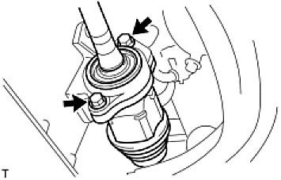

(b) | Align the shaft splines and securely insert the drive shaft.
(c) | Install the 2 bearing bracket bolts.
Torque: 63.7 Nm (650 kgf-cm, 47 ft-lbf)
NOTE: Do not damage the oil seal, boot and dust cover.

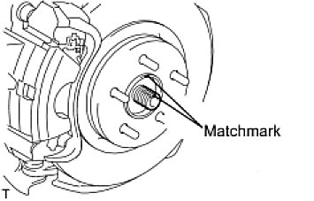

3. CONNECT STEERING KNUCKLE WITH AXLE HUB LH

(a) | Align the shaft splines in the drive shaft to the steering knuckle with axle hub, and connect the steering knuckle with axle hub.

4. CONNECT STEERING KNUCKLE WITH AXLE HUB RH HINT: Use the same procedures described for the LH side.
5. CONNECT FRONT SUSPENSION NO. 1 LOWER ARM SUB-ASSEMBLY LH See: Steering and Suspension\Suspension\Control Arm\Service and Repair\Front Suspension Lower No. 1 Arm\Installation
6. CONNECT FRONT SUSPENSION NO. 1 LOWER ARM SUB-ASSEMBLY RH HINT: Use the same procedures described for the LH side.
7. INSTALL FRONT STABILIZER LINK ASSEMBLY LH See: Steering and Suspension\Suspension\Stabilizer Bar\Service and Repair\Front Stabilizer Bar\Installation
8. INSTALL FRONT STABILIZER LINK ASSEMBLY RH HINT: Use the same procedures described for the LH side.
9. CONNECT TIE ROD END SUB-ASSEMBLY LH See: Steering and Suspension\Steering\Steering Gear\Service and Repair\Installation
10. CONNECT TIE ROD END SUB-ASSEMBLY RH HINT: Use the same procedures described for the LH side.
11. CONNECT FRONT SPEED SENSOR LH

(a) | Connect the speed sensor See: Brakes and Traction Control\Antilock Brakes / Traction Control Systems\Wheel Speed Sensor\Service and Repair\Front Speed Sensor\Installation.

12. INSTALL FRONT SPEED SENSOR RH HINT: Use the same procedures described for the LH side.
13. INSTALL FRONT AXLE HUB NUT See: Wheel Hub\Service and Repair\Front Axle Hub\Installation
14. INSTALL FRONT WHEEL

Torque: 103 Nm (1,050 kgf-cm, 76 ft-lbf)

15. ADD AUTOMATIC TRANSAXLE FLUID

(a) | Add automatic transaxle fluid for U140F.
(b) | Add automatic transaxle fluid for U241E.
(c) | Add automatic transaxle fluid for U151E.

16. CHECK FOR AUTOMATIC TRANSAXLE OIL LEAKAGE
17. INSPECT AND ADJUST FRONT WHEEL ALIGNMENT

(a) | Inspect and adjust the front wheel alignment See: Maintenance\Alignment\Service and Repair.

